Sheet1 (2)
ADIDAS TREFOIL MENS FLEECE HOODIES PACKING LIST

Model Num# | Color | Image | S (90) | M (95) | L (100) | XL (105) | TTL
BR4849 | NAVY | 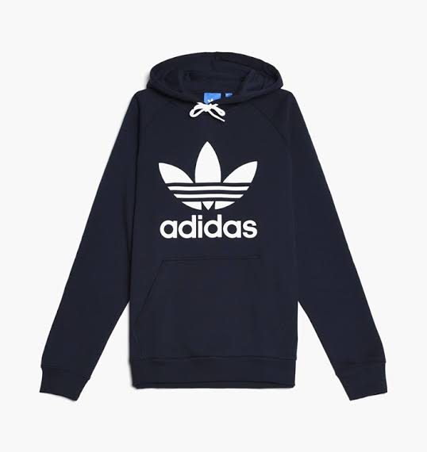 | 220 | 467 | 460 | 220 | 1,367
AB8291 | BLACK | 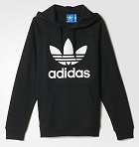 | 230 | 470 | 470 | 230 | 1,400
BR4177 | BURGUNDY |  | 230 | 470 | 470 | 230 | 1,400
AY6472 | GREY | 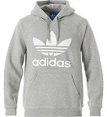 | 220 | 467 | 460 | 220 | 1,367
 |  |  | 900 | 1874 | 1860 | 900 | 5,534

